Sheet1
Valery Kugel
8x25 Luxtera on-board engine testing with Molex SMF lens connecors for ISPR project
25.78125Gbps, PRBS31; Avago SerDes are tuned at loopback measurements, BER is measured at Avago board, temperature and optical power - at Luxtera engine SW

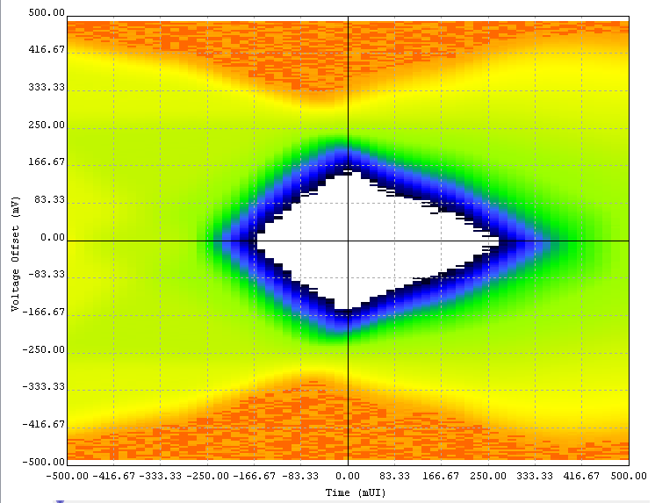
Channel 7
loopback

Channel 7
5 Molex lens connectors
 | Loopback - MPOTx and MPORx mated |  |  |  | 5 Molex lens connectors: MT-F1M2-M3F3-M4F4-F5M5-F6M1-MT |  |  |  |  |  | 3 Molex lens connectors: MT-F1M2-M3F3-F4M1-MT |  |  |  |  |  | 1 Molex lens connector: MT-F1M1-MT
 | start: 2/26/18 10:20AM, measured 2/27 10:50AM |  |  |  | start:2/27 12:20PM, measure 2/28 11:45AM |  |  |  |  |  | START: 2/28 12:05PM, measure 3/1 1:30PM |  |  |  |  |  | START: 3/1 1:45pm, measure 3/2 2:30PM
MPOTx/MPORx fiber # and JDSU IL/RL setup fiber # | Luxtera channel | BER | TxQpower, dBm | RxPower, dBm |  | BER | TxQpower, dBm | RxPower, dBm | Lens insertion loss estmate, dB | Lens insertion loss based on JDSU measurements, dB |  | BER | TxQpower, dBm | RxPower, dBm | Lens insertion loss estmate, dB | Lens insertion loss based on JDSU measurements, dB |  | BER | TxQpower, dBm | RxPower, dBm | Lens insertion loss estmate, dB | Lens insertion loss based on JDSU measurements, dB
7 | 0 | <4.1e-16 | -2.8 | -2.05 |  | <4.6e-16 | -2.8 | -4.75 | 2.7 | 2.478 |  | <4e-16 | -2.8 | -3.95 | 1.9 | 1.615 |  | <4e-16 | -2.8 | -2.6 | 0.55 | 0.52
8 | 1 | <4.1e-16 | -2.85 | -1.9 |  | <4.6e-16 | -2.9 | -5.2 | 3.3 | 3.232 |  | <4e-16 | -2.85 | -4.35 | 2.45 | 2.411 |  | <4e-16 | -2.85 | -2.5 | 0.6 | 0.61
9 | 2 | <4.1e-16 | -2.8 | -2.1 |  | <4.6e-16 | -2.8 | -4.8 | 2.7 | 2.73 |  | <4e-16 | -2.85 | -3.65 | 1.55 | 1.435 |  | <4e-16 | -2.8 | -3.05 | 0.95 | 0.547
10 | 3 | <4.1e-16 | -2.65 | -2.05 |  | <4.6e-16 | -2.65 | -4.65 | 2.6 | 2.874 |  | <4e-16 | -2.65 | -3.45 | 1.4 | 1.526 |  | <4e-16 | -2.65 | -2.5 | 0.45 | 0.645
3 | 4 | <4.1e-16 | -3.1 | -2.7 |  | <4.6e-16 | -3.1 | -5.2 | 2.5 | 3.451 |  | <4e-16 | -3.1 | -3.7 | 1 | 1.817 |  | <4e-16 | -3.1 | -3.1 | 0.4 | 0.777
4 | 5 | <4.1e-16 | -2.7 | -2.2 |  | <4.6e-16 | -2.7 | -4.7 | 2.5 | 3.422 |  | <4e-16 | -2.7 | -3.25 | 1.05 | 1.585 |  | <4e-16 | -2.7 | -2.75 | 0.55 | 0.643
5 | 6 | <4.1e-16 | -2.6 | -2.1 |  | <4.6e-16 | -2.6 | -4.7 | 2.6 | 2.865 |  | 4.9e-13 (burst err) | -2.6 | -3.9 | 1.8 | 1.682 |  | <4e-16 | -2.6 | -2.6 | 0.5 | 0.608
6 | 7 | <4.1e-16 | -2.85 | -2.6 |  | <4.6e-16 | -2.8 | -6.2 | 3.6 | 3.256 |  | <4e-16 | -2.8 | -5.05 | 2.45 | 2.32 |  | <4e-16 | -2.8 | -3.25 | 0.65 | 0.672
 | Engine T=39.5C | 2.45e15bits | +-0.1 | +-0.1 | Engine T=40.2C | 2.2e15bits | +-0.1 | +-0.1 |  |  | Engine T=39.8C | 2.5e15bits | +-0.1 | +-0.1 |  |  | Engine T=39.0C | 2.5e15bits | +-0.1 | +-0.1
 |  | no errors |  |  |  | no errors |  |  |  |  |  | burst-1235err |  |  |  |  |  | no errors

